PICTURE
PICTURE & ATTACHMENT

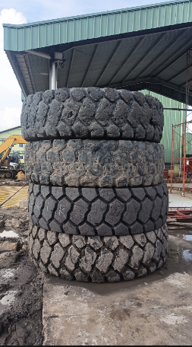

 |  | PT TRAKTOR NUSANTARA

 |  | PT TRAKTOR NUSANTARA

 | 2

